Sheet1
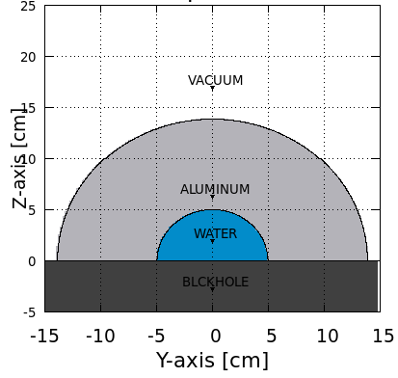
 |  |  | Water |  |  |  | Shield
 |  | outer radius (cm) | fluka output | error (%) | dose rate (uGy/day) | error | fluka output | error (%) | dose rate (uGy/day) | error | rho = | 2.7 | g/cm3 | (aluminum)
Shield Thickness |  |  |  |  |  |  |  |  |  |  | Fluxst | 4.65369558 | ions/cmq/s
cm | g/cm2 |  |  |  |  |  |  |  |  |  | Fluxst | 8.84E-05 | Part/pr/cmq
3.704 | 10 | 8.7 | 1.40E-05 | 5.7552 | 19.45 | 1.12 | 5.18E-05 | 2.9492 | 72.14 | 2.13 | norm | 52632 | pr/s
4.074 | 11 | 9.1 | 1.40E-05 | 5.0068 | 19.53 | 0.98 | 6.50E-05 | 5.8577 | 90.46 | 5.30 | conversion | 1.60E-07 | GeV/g => Gy
4.444 | 12 | 9.4 | 1.41E-05 | 6.0897 | 19.59 | 1.19 | 7.25E-05 | 3.9234 | 100.82 | 3.96 | r | 5 | cm
4.815 | 13 | 9.8 | 1.50E-05 | 7.2891 | 20.84 | 1.52 | 8.21E-05 | 2.807 | 114.29 | 3.21 | Vwat | 524 | cm3
5.185 | 14 | 10.2 | 1.53E-05 | 7.1302 | 21.34 | 1.52 | 9.54E-05 | 3.529 | 132.69 | 4.68
5.556 | 15 | 10.6 | 1.54E-05 | 5.9658 | 21.47 | 1.28 | 1.12E-04 | 3.8566 | 155.76 | 6.01
7.037 | 19 | 12.0 | 1.37E-05 | 4.0667 | 19.12 | 0.78 | 1.70E-04 | 1.4348 | 237.08 | 3.40
8.889 | 24 | 13.9 | 1.41E-05 | 3.1122 | 19.64 | 0.61 | 2.86E-04 | 1.2676 | 397.39 | 5.04
11.111 | 30 | 16.1 | 1.57E-05 | 4.9188 | 21.80 | 1.07 | 4.71E-04 | 2.088 | 655.55 | 13.69
18.519 | 50 | 23.5 | 1.55E-05 | 3.7992 | 21.53 | 0.82 | 1.71E-03 | 1.1504 | 2383.60 | 27.42

